Compliance Report
 | Weekly Asset Care Compliance Report
 | Don’t change Formula's
 | Week Ending | 5-Mar-26
 | Shaft / Area | NCHW II UG

 | Fleet / Equipment | Planned | Actual | Schedule Compliance | Target | Unit late for service (y/n) | Unit book back on time after service(y/n) |  | Week-end Service | Reasons for Non-Compliance
 | DT | 0 |  |  | 100%
 | FL | 1 | 1 | 100% | 100%
 | HD | 2 | 2 | 100% | 100%
 | RT | 4 | 3 | 75% | 100% |  |  |  |  | RT0053 TO BE SERVICED TOMORROW
 | SR - Service Compliance | 2 | 2 | 100% | 100%
 | Support Equipment | 3 | 2 | 67% | 100% |  |  |  |  | NOT AVAILBLE LD0591 WE WILL SERVICE TOMORROW
 | SR - Weekly Inspection | 8 | 8 | 100% | 100%
Weekly Compliance
 | Planned | Actual | Schedule Compliance | Target
DT | 0 |  | 0% | 100%
FL | 1 | 1 | 100% | 100%
HD | 2 | 2 | 100% | 100%
RT | 4 | 3 | 75% | 100%
SR - Service Compliance | 2 | 2 | 100% | 100%
Support Equipment | 3 | 2 | 67% | 100%
SR - Weekly Inspection | 8 | 8 | 100% | 100%

 | Service Pre-Inspection

 | Fleet / Equipment | Planned | Actual | Schedule Compliance | Target | Work order number | Remarks
 | DT | 1 | 1 | 100% | 95%
 | FL | 1 | 1 | 100% | 95%
 | HD | 3 | 3 | 100% | 95%
 | RT | 3 | 3 | 100% | 95%
 | SR - Service Compliance | 2 | 2 | 100% | 95%
 | Support Equipment | 5 | 5 | 100% | 95%

 | Schedule Compliance | Target
DT | 0 | 0.95
FL | 0 | 0.95
HD | 0 | 0.95
RT | 0 | 0.95
SR - Service Compliance | 0 | 0.95
Support Equipment | 1 | 0.95

 | Condition monitoring / Oil samples
 | Fleet / Equipment | Engine - Plan | Engine- Received | Transmission - Plan | Transmission - Receive | Axle - plan | Axle - Receive | % Compliance | Reasons for Non-Compliance |  |  | Paperwork Correct | Paperwork Incorrect | Urgent Oil Samples | Workorder Generated
 | DT | 0 | 0 | 0 |  |  |  |  |  |  |  |  |  | 0
 | FL | 1 | 1 | 1 | 1 |  |  | 100% |  |  |  |  |  | 0
 | HD | 0 |  |  |  |  |  |  |  |  |  |  |  | 0
 | RT | 0 |  |  |  |  |  |  |  |  |  |  |  | 0
 | SR | 2 | 2 |  |  |  |  | 100% |  |  |  |  |  | 0
 | Support Equipment | 3 | 2 |  |  |  |  | 67% | NOT AVAILBLE LD0591 WE WILL SERVICE TOMORROW |  |  |  |  | 0

Condition monitoring / Oil samples
 | % Compliance
DT | 0
FL | 0
HD | 0
RT | 0
SR | 0
Support Equipment | 1
Oil Sample Paper Work
 | Paperwork Correct | Paperwork Incorrect

 | Remember Readings

 | Oil Filtration
FA0007 - HYDR DRILL W/S | Equipment nr | Oil Type | Start Reading | End Reading | Comments |  | ISO Standard
 | RT0056 | AZOLLA | 19.18.15 | 18.15.12
 | HD0067 | AZOLLA | 20.16.12 | 19.13.10
 | RT0043 | AZOLLA | 21.21.18 | 17.15.10
 | HD0046 | AZOLLA | 20.18.15 | 18.16.9
 | RT0038 | AZOLLA | 21.19.14 | 18.15.9

FA0001 - TMM W/S

 | Inspection done by: | Planned Over-Inspections | Total Number of Inspections Completed | Corrective Work | Wo Number | % Completed | Remarks for not comply
 | UTILITY FOREMAN | 5 | 4 |  |  | 80% | NOT AVAILBLE LD0591 WE WILL SERVICE TOMORROW
 | MECHANIC FOREMAN | 1 | 1 |  |  | 100%
 | DRILLS FOREMAN | 6 | 6 |  |  | 100%
 | Engineer | 1 | 1 |  |  | 100%
 | Electrical Foreman | 4 | 4 |  |  | 100%
 | Plant Foreman | 5 | 5 |  |  | 100%
 | GES Plant | 3 | 3 |  |  | 100%
 | GES TMM | 1 | 1 |  |  | 100%

Over Inspections
 | Planned Over-Inspections | Total Number of Inspections Completed | Corrective Work
UTILITY FOREMAN | 5 | 4
MECHANIC FOREMAN | 1 | 1
DRILLS FOREMAN | 6 | 6
Engineer | 1 | 1
Electrical Foreman | 4 | 4
Plant Foreman | 5 | 5
GES Plant | 3 | 3
GES TMM | 1 | 1

 | Equipment ID | Date of Inspection | Inspection Performed by | Findings and Defects Completed |  |  | Additional Follow-up Work |  |  | WO No. | Status
 | SR0054 | 28/02/2026 | Innocent Dlamini - 10065782 | I.O |  |  | I.O |  |  | 1941049
 | SR0046 | 02/03/2026 | Brian Jonathan | I.O |  |  | I.O |  |  | 1941047
 | UV0099 | 05/03/2026 | Francois | I.O |  |  | I.O |  |  | 1941050
 | LD0578 | 04/03/2026 | Francois | I.O |  |  | I.O |  |  | 1893070
 | 2West Plant | 03/03/2026 | Mteki | None |  |  | Plan for the chute replacement in 28 March 2026
 | Nch2 silo system inspection | 03/03/2026 | Lebogang | I.O |  |  | None |  |  | 1900143
 | T900 Compressor commissioning | 04/03/2026 | Lebogang | I.O |  |  | None |  |  | 1912709
 | 2west crusher O/H crane load test | 03/03/2026 | Lebogang | I.O |  |  | None
 | South crusher O/H crane load test | 03/03/2026 | Lebogang | I.O |  |  | None
 | Satelite no1 tip repairs | 04/03/2026 | Lebogang | I.O |  |  | None

 | RT0043 | 2026-03-03 | Clinton | NONE |  |  | I.O |  |  | 1927715
 | HD0046 | 2026-04-03 | Lester | NONE |  |  | I.O |  |  | 1931833
 | RT0038 | 2026-05-03 | Clinton | NONE |  |  | I.O |  |  | 1931895
 | MS0167 | 2026-05-03 | Clinton | NONE |  |  | I.O |  |  | 1931682

 | HD0067 | 28/02/2026 | WILL | NONE |  |  | NONE |  |  | 1930283
 | RT0056 | 01/03/2026 | WILL | NONE |  |  | NONE |  |  | 1929762
 | RT0043 | 03/03/2026 | WILL | NONE |  |  | NONE |  |  | 1931312
 | HD0046 | 04/03/2026 | WILL | NONE |  |  | NONE |  |  | 1931830
 | RT0038 | 05/03/2026 | WILL | NONE |  |  | NONE |  |  | 1931894

 | FL0085 | 02/03/2026 | Gae | repair leaking exhsust manifold |  |  | replace tilt cylinder |  |  | 1862825

Oil report
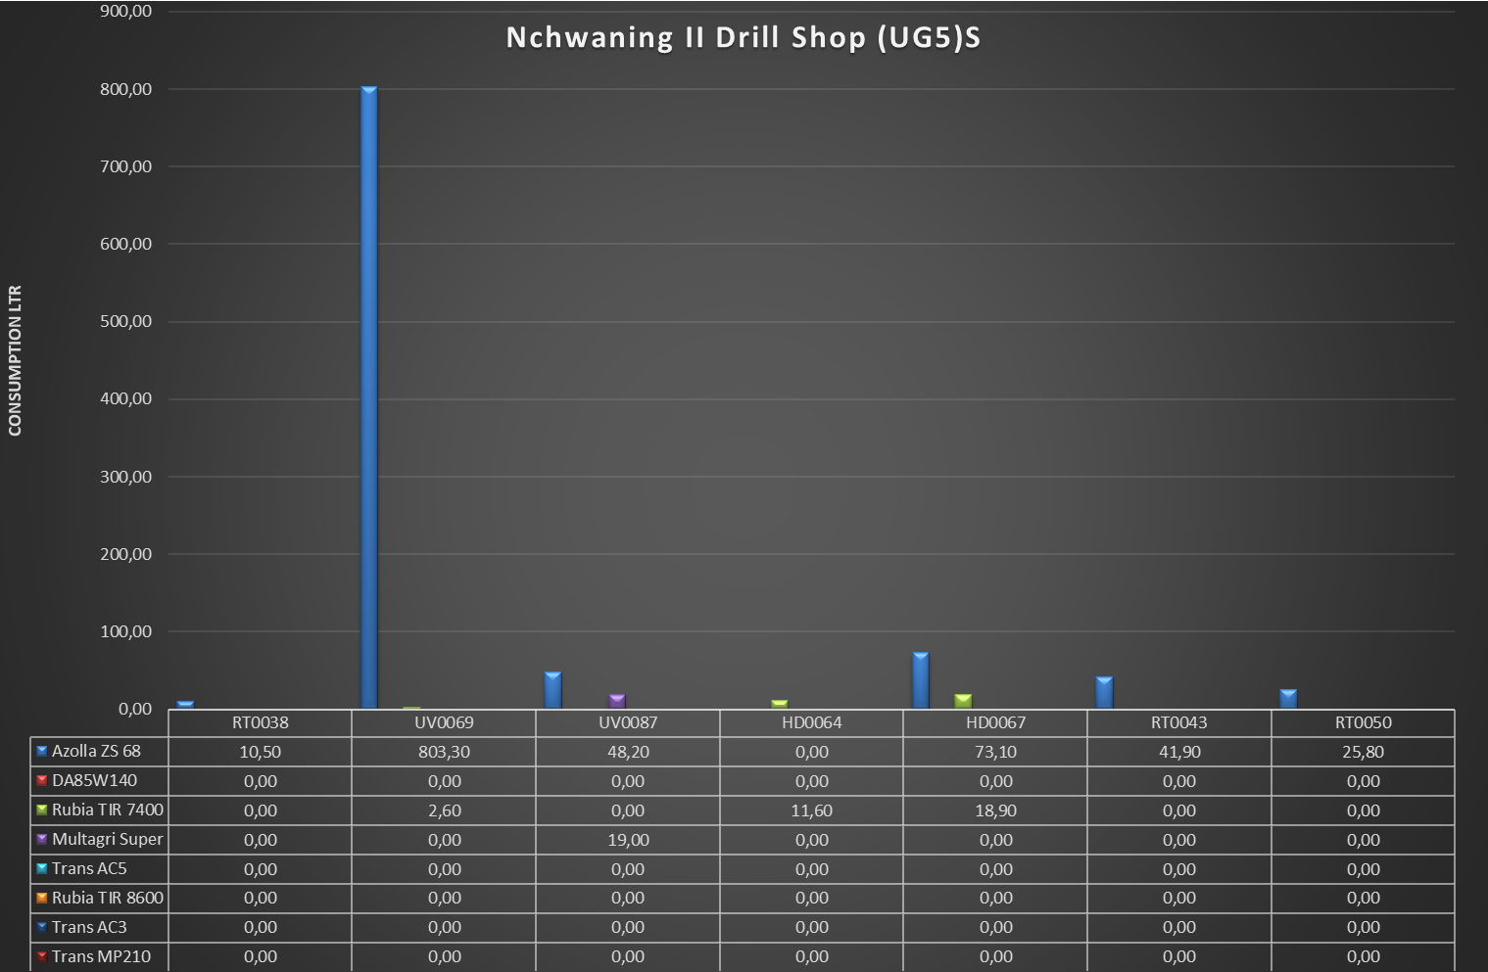
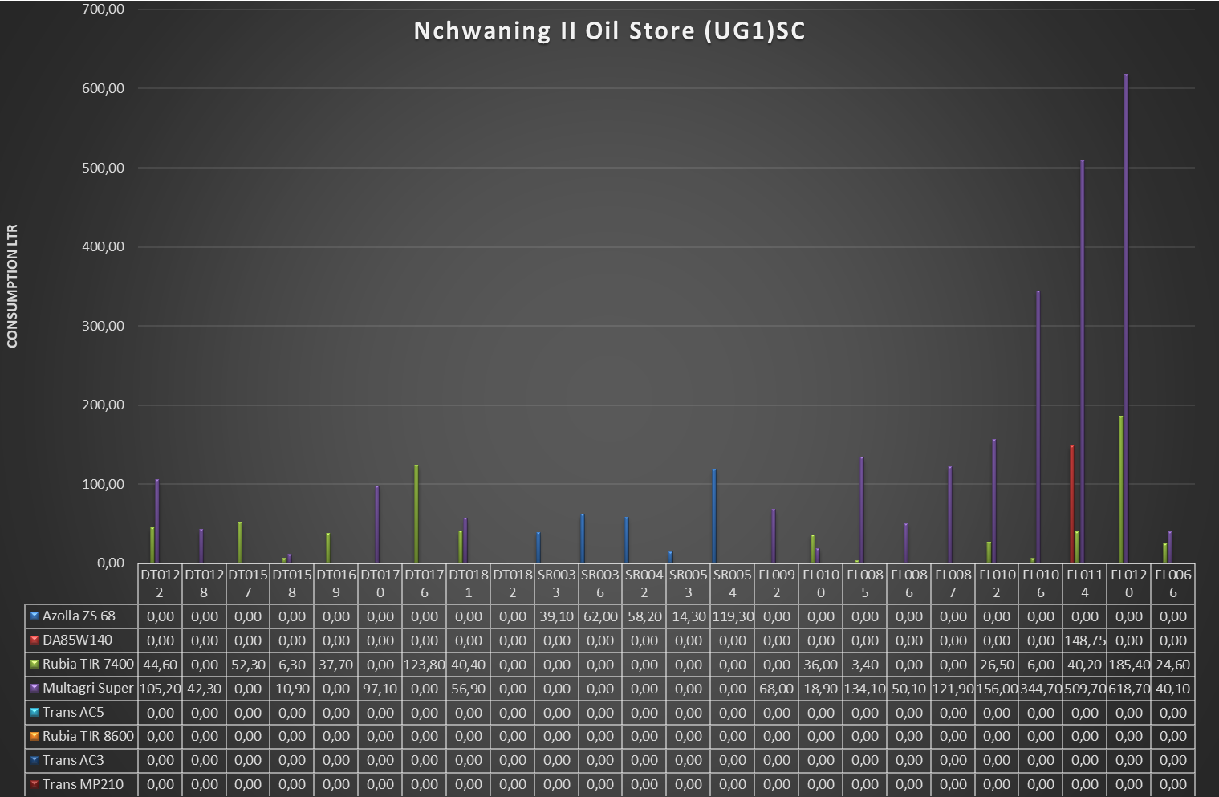
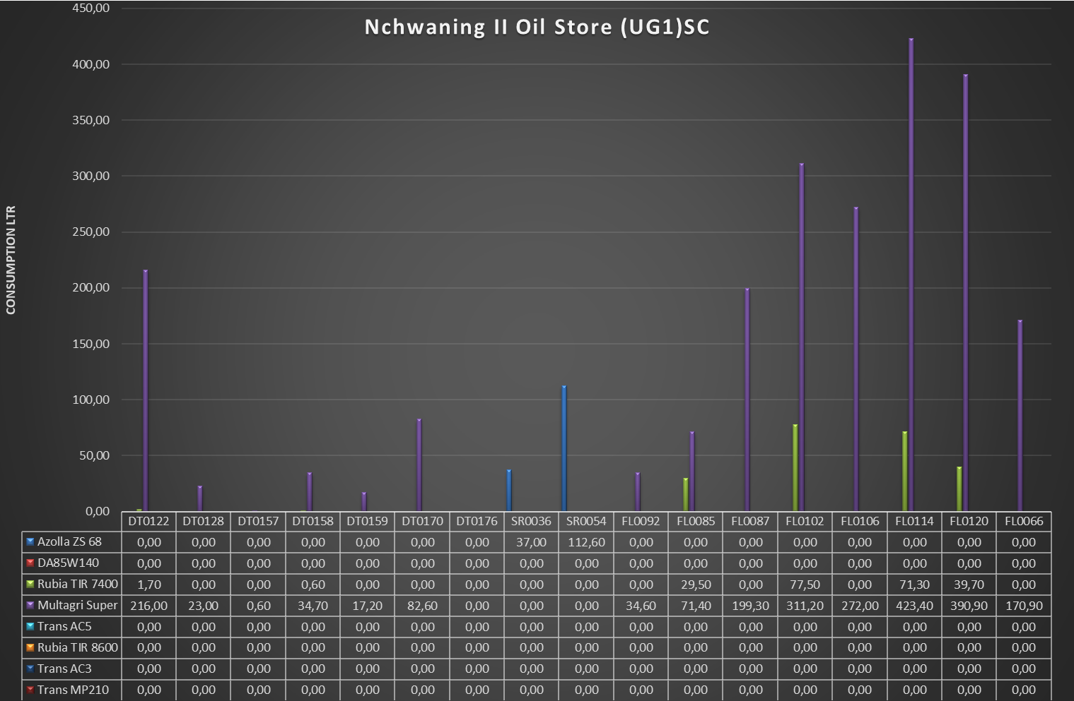
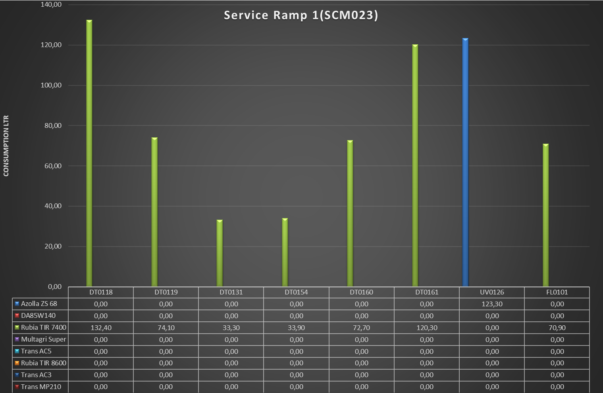
Nchwaning II Lub 315 (SCM007)
 | Azolla ZS 68 | DA85W140 | Rubia TIR 7400 | Multagri Super | Trans AC5 | Rubia TIR 8600 | Trans AC3 | Trans MP210
RT0038 | 0.1 | 0 | 0 | 0 | 0 | 0 | 0 | 0
HD0064 | 39.4 | 0 | 0 | 0 | 0 | 0 | 0 | 0
HD0065 | 116.8 | 0 | 0 | 0 | 0 | 0 | 0 | 0
RT0043 | 40.5 | 0 | 0 | 0 | 0 | 0 | 0 | 0
RT0050 | 252.2 | 0 | 0 | 0 | 0 | 0 | 0 | 0
RT0062 | 204.6 | 0 | 0 | 0 | 0 | 0 | 0 | 0

